Directions - Tranfers In & Out
Statewide Financial Statements
Transfers In and Transfers Out
GL 65XXX (Revenues) OR 75XXX (Expenditures)
2017-06-30

Guidance
cells containing FORMULAS | Orange cells contain formulas and should not be updated
Items included on this form: | This form will ONLY contain circuit specific amounts transferred to or transferred from: 1. other state agencies, 2. other JAC offices, 3. other funds within your office.

Report columns | Report explanation
JAC ENTITY | This field is populated based on the ORG and EO code keyed into FLAIR.
JAC Fund ID | This field contains the 6-digit organizational ID, GAAFR ID, SF ID, and Fund ID (i.e. OLO-GF-SF-FID 210000-10-1-000069). This field is populated based on the JAC fund ID that: 1. paid the other state entities or agencies, 2. received the funds from other state entities or agencies. This information is pulled from FLAIR and must be reconciled / confirmed with the other agencies (internal or external to JAC).
JAC's GL | 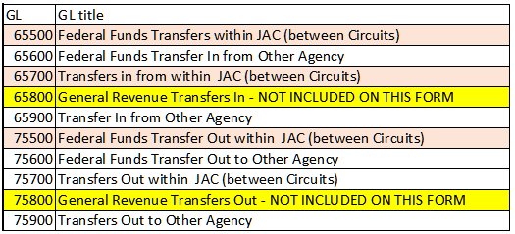 This field contains the appropriate 6-digit general ledger (GL) ID to identify the specific type of revenue transfer (GL 65XXX) or the specific type of expenditure transfer (GL 75XXX).
GL Title | This field is populated based on the General Ledger entered. The worksheet includes a General Ledger Lookup tab with all the GL and their titles.
Partner Fund ID | This field contains the 6-digit organizational ID, GAAFR ID, SF ID, and Fund ID for the vendor agency being paid or the reimbursing agency sending the funds to your office (i.e. OLO-GF-SF-FID 210000-10-1-000069). This may be JAC or other agency. This field is populated based on the other entity's or agency's fund ID that: 1. received funds due from your agency. 2. paid funds due to your agency. This information is pulled from FLAIR and must be reconciled / confirmed with the other agencies (internal or external to JAC).
Partner Agency | This field is populated based on the Partner Fund ID field. If the 6-digit organizational ID is not JAC's - 210000, the organizational ID is looked up on the State Agency List tab which contains the IDs assigned to each state agency. If the 6-digit organizational ID is JAC's - 210000, the field is populated based on the FLAIR data entered.
Amount | This field identifies the amount the fund: 1. Transferred to other state entities or agencies (amount should be a debit or positive amount). 2. Transferred from other state entities or agencies (amount should be a credit or negative amount). This information is pulled from FLAIR and must be reconciled / confirmed with the other agencies (internal or external to JAC).
Description / Comments for Due From & Due To | Identifies what's being paid or being received in general.

